Sheet1
NEPAL
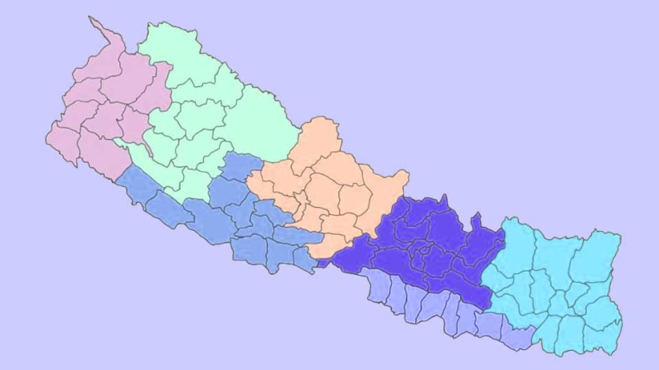
INDIA

CHINA

INDIA
INDIA

Location : 26o 22' North to 30o 27' North and 80o 4' East to 88o 12' East
Area : 147,516 Square Km.
Capital City : Kathmandu
Population : 26.49 million*
Population Growth Rate : 1.35%*
Currency : Nepalese Rupee
World Heritage Sites: Lumbini, Chitwan National Park, Sagarmatha
National Park, Pashupatinath, Swayambhunath,
Bauddhanath, Changu Narayan, Kathmandu
Durbar Square, Bhaktapur Durbar Square and
Patan Durbar Square

* Based on Population Census 2011, Central Bureau of Statistics (CBS)
Sources: Central Bureau of Statistics; www.tourism.gov.np

